SUMMARY
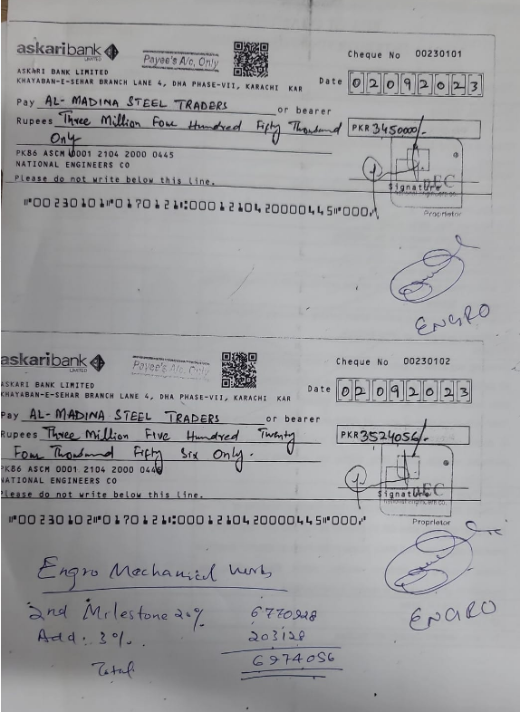
FINAL BILL OF ENGRO OFFICE, THIRD FLOOR, THF, KHI
SUMMARY OF AMOUNT

S.NO | DESCRIPTION | AMOUNT
1 | HVAC | 12,735,779
2 | FIRE FIGHTING | 4,398,301
3 | PLUMBING | 928,454
4 | BMS | 1,253,475
5 | Variation 1 | 238,211
6 | Variation 2 | 693,590
7 | Variation 3 | 57,100
 | GRAND TOTAL AMOUNT | 20,304,909

 | Add 4.5% | 913,721
 | Grand total | 21,218,630
 | Received | 12,898,454
 | Receivable Amount | 8,320,176

